TestSummary
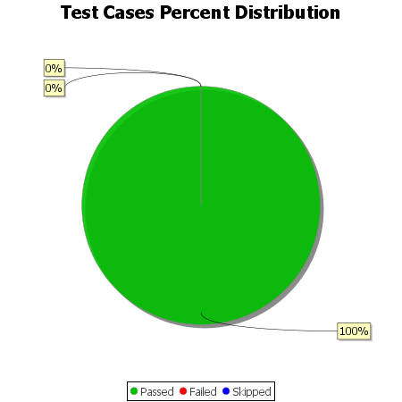
Total Test Cases | 33
Test Cases Passed | 33
Test Cases Failed | 0
Test Cases Skipped | 0

